1. Title Page
Instacart Customer Analysis

Project Name: Python Analysis of Instacart Customers
Date: 5/18/2023
Analyst Name: Ryan Thomas

Contents:
Population Flow
Consistency checks
Wrangling steps
Column derivations
Visualizations
Recommendations

2. Population Flow
Population flow

Orders_products_combined
Orders_products_merged
Orders_products_all

Total: 32,404,859
Total: 32,434,489
Total: 32,401,975

3. Consistency checks
Consistency checks

Dataset | Missing values | Missing values treatment | Duplicates
orders | 206,209 | Impute median | 0
products | 16 | Remove rows | 5
orders_products_prior | 0 | NA | 0
customers | 0 | NA | 0

4. Wrangling steps
Wrangling steps

Columns dropped | Columns renamed | Columns' type changed | Comment/Reason
 | Surnam' to 'Last Name' |  | Quality
 | STATE' to 'State' |  | Quality
 | n_dependants' to 'dependents' |  | Spelling
 | fam_status' to 'marital_status' |  | Interpretability
Last Name |  |  | PII
First Name |  |  | PII
 |  | First Name | Mixed data type

5. Column derivations
Column derivations and aggregations

Dataset | New column | Column/s it was derived from | Conditions | Counts
orders_products_merged | price_range | prices | Low-range product: prices <= 5 Mid-range product: prices between 5 and 15 High range product: prices > 15 | Mid-range product 21860860 Low-range product 10126321 High-range product 417678
orders_products_merged | busiest_days | order_dow | Busiest days: order day of week is Saturday or Sunday Slowest days: order day of week is Tuesday or Wednesday Regular days: order day of week is Monday, Thursday, or Friday | Regular days 12916111 Busiest days 11864412 Slowest days 7624336
orders_products_merged | busiest_period_of_day | order_hour_of_day | Most orders: hours 10, 11, 14, 15, or 13 Fewest orders: hours 4, 3, 2, 5, or 1 Average orders: hours 6, 7, 8, 9, 12, 16, 17, 18, 19, 20, 21, 22, 23, or 24 | Average orders 18517166 Most orders 13510134 Fewest orders 377559
orders_products_merged | max_order | user_id, order_number | Maximum order number for each customer | (Too numerous to include)
orders_products_merged | loyalty_flag | max_order | Loyal customer: max order > 40 Regular customer: max order between 10 and 40 New customer: max order <= 10 | Regular customer 15876776 Loyal customer 10284093 New customer 6243990
orders_products_merged | mean_price | user_id, prices | Mean expenditure for each customer | (Too numerous to include)
orders_products_merged | spending_flag | mean_price | Low spender: mean expenditure < 10 High spender: mean expenditure >= 10 | Low spender 31770614 High spender 634245
orders_products_merged | median_days_since_prior_order | user_id, days_since_prior_order | Median days since prior order for each customer | (Too numerous to include)
orders_products_merged | order_frequency_flag | median_days_since_prior_order | Non-frequent customer: median days > 20 Regular customer: median days between 10 and 20 Frequent customer: median days <= 10 | Frequent customer 22790523 Regular customer 6927608 Non-frequent customer 2686728
orders_products_merged | region | State | Regions assigned per US Census Bureau | West: 8292913 Northeast: 5722736 Midwest: 7597325 South: 10791885
orders_products_merged | cust_profile | dependents, Age, income, marital_status | Children: dependents > 0 Age: either less than 30 or >= 30 Low income: income < 67000 Average income: income between 67000 and 128000 High income: income >= 128000 Married: marital_status = married | Married, over 30, children, average income 9749315 Married, over 30, children, high income 5999744 Married, over 30, children, low income 3979402 Single, over 30, no children, average income 3241847 Single, over 30, no children, high income 2013132 Married, under 30, children, average income 1584871 Married, under 30, children, low income 1405011 Single, over 30, no children, low income 1328698 Single, under 30, children, average income 839162 Single, under 30, no children, average income 805758 Single, under 30, children, low income 693363 Single, under 30, no children, low income 692739 Married, under 30, children, high income 36410 Single, under 30, children, high income 17948 Single, under 30, no children, high income 14575
orders_products_merged | department | department_id | Assigned according to data dictionary | NA

6. Visualizations
Visualisations

 |  | Sales by hour of day |  | Distribution of orders by loyalty |  | Expenditures by hour of day

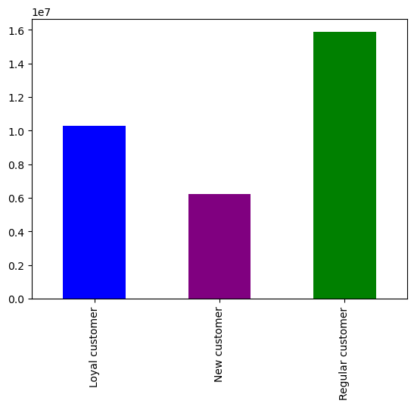
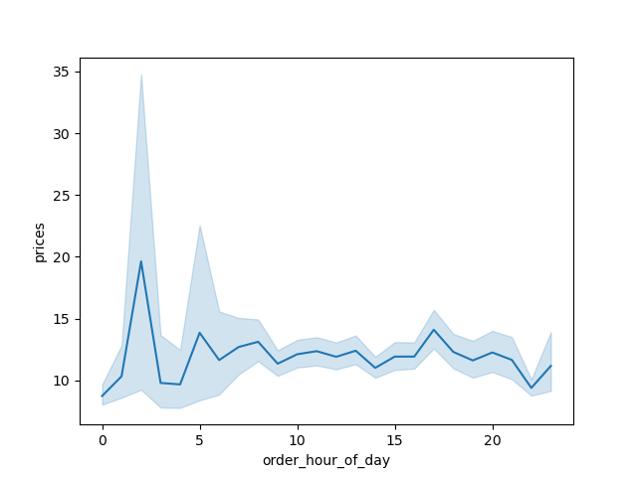

This visualization shows that the busiest hours of the day are between approximately 11am and 7pm.
 |  |  | This visualization shows that regular customers (customers with maximum order counts between 10 and 40) account for the most orders. |  |  | This visual shows that customers spend the most between midnight and 6am.

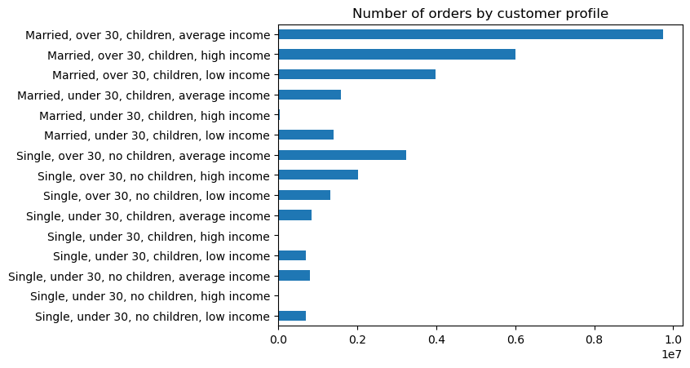
 | Number of dependents by age |  | Income distribution by age
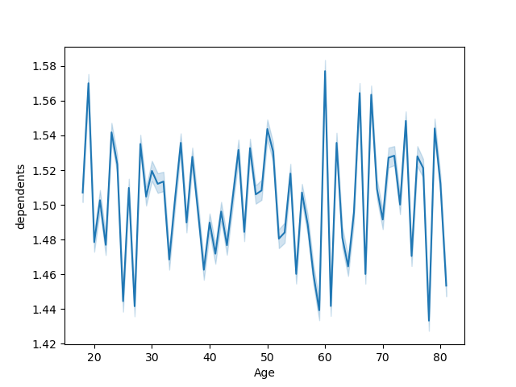


 |  |  |  |  |  |  | Customers who are married with children and over 30 out-purchase other customers. Single customers over 30 with no children and an average income also order significantly more than other customers.
 |  |  | This visualization shows that customers above the age of 40 can have higher income than customers below the age of 40.
This visualization does not give any clear picture of how the number of dependents changes with a customer's age.

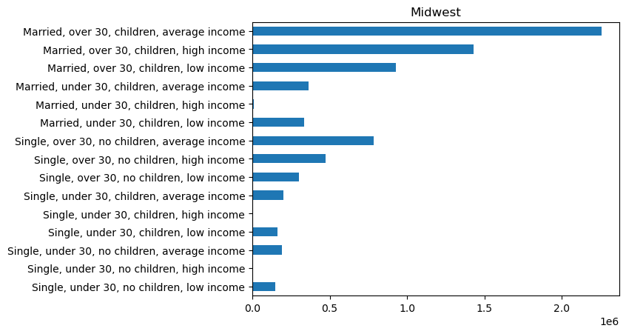
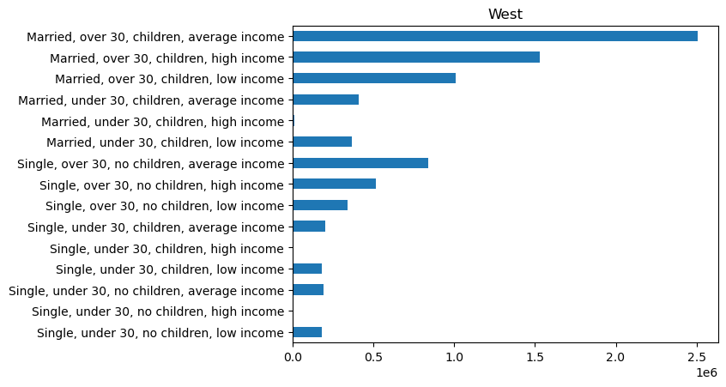

For the midwest region, customers who are married with children and over 30 out-purchase other customers. Single customers over 30 with no children and an average income also order significantly more than other customers. |  |  |  |  | For the West region, customers who are married with children and over 30 out-purchase other customers. Single customers over 30 with no children and an average income also order significantly more than other customers.

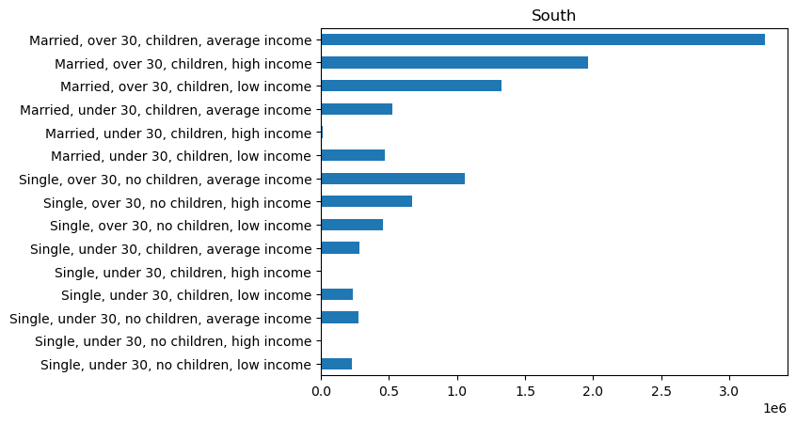
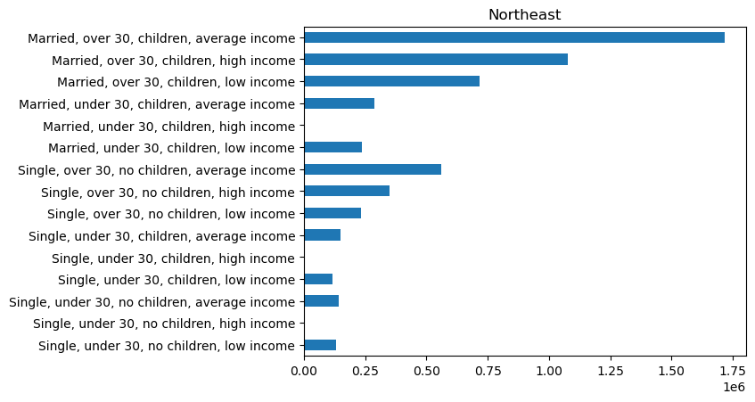

For the South region, customers who are married with children and over 30 out-purchase other customers. Single customers over 30 with no children and an average income also order significantly more than other customers. |  |  |  |  | For the Northeast region, customers who are married with children and over 30 out-purchase other customers. Single customers over 30 with no children and an average income also order significantly more than other customers.

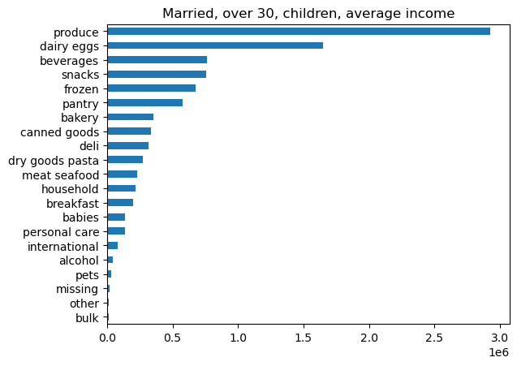
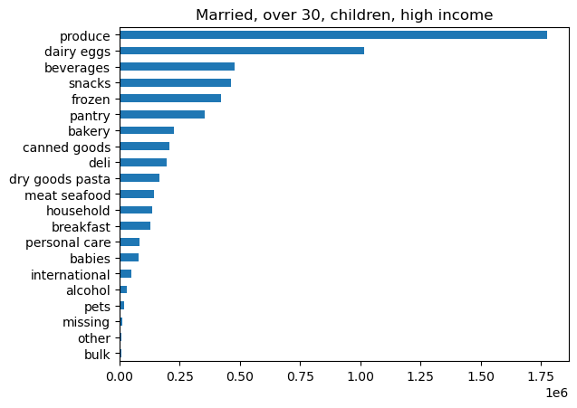

For customers with the above profile, produce and dairy eggs are the top departments they make purchases from, followed by beverages, snacks, and frozen. |  |  | For customers with the above profile, produce and dairy eggs are the top departments they make purchases from, followed by beverages, snacks, and frozen.

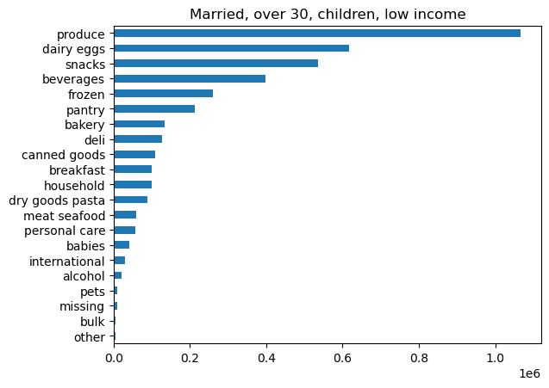
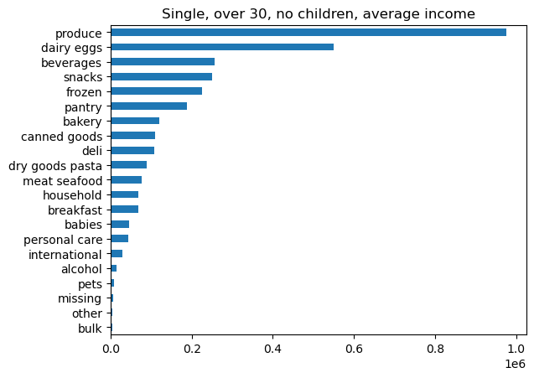

For customers with the above profile, produce and dairy eggs are the top departments they make purchases from, followed by snacks, beverages, and frozen. |  |  | For customers with the above profile, produce and dairy eggs are the top departments they make purchases from, followed by beverages, snacks, and frozen.

7. Recommendations
 | Title page

Recommendations

Question
The sales team needs to know what the busiest days of the week and hours of the day are (i.e., the days and times with the most orders) in order to schedule ads at times when there are fewer orders.

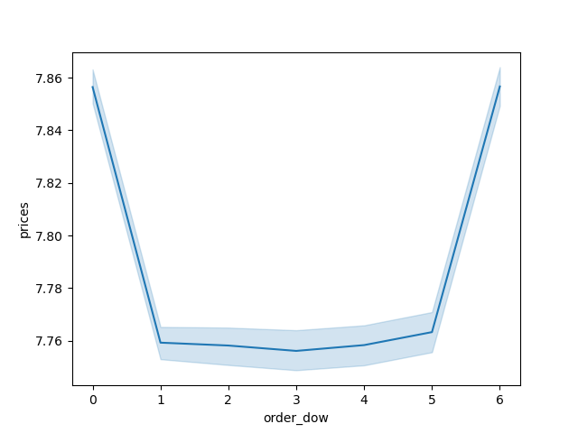

The busiest days of the week are Saturday and Sunday, and the busiest hours of the day are 10am-6pm. Instacart should focus marketing efforts during these times to have the most effect.

Question
They also want to know whether there are particular times of the day when people spend the most money, as this might inform the type of products they advertise at these times.

This visual shows that customers spend the most between midnight and 6am. Since customers are spending the most at these times, marketers should align advertising with these timeslots to influence product choices.

Question
Are there certain types of products that are more popular than others? The marketing and sales teams want to know which departments have the highest frequency of product orders.

For the customers with the profiles that make the most orders, produce and dairy eggs are the top departments they make purchases from, followed by beverages, snacks, and frozen. Marketing should focus efforts on products in departments with less orders to increase sales.

Question
What’s the distribution among users in regards to their brand loyalty (i.e., how often do they return to Instacart)?

A column was created with the following attributes:

Non-frequent customer: median days > 20
Regular customer: median days between 10 and 20
Frequent customer: median days <= 10

Here are the counts for each category:

Frequent customer 22790523
Regular customer 6927608
Non-frequent customer 2686728

These results show that Instacart has mostly frequent or regular customers. This means that they are loyal and will be receptive to new ad campaigns even if they are taking larger risks like promoting product types that a customer hasn't particularly shown interest in.

Question
Are there differences in ordering habits based on a customer’s loyalty status?

This visualization shows that regular customers (customers with maximum order counts between 10 and 40) account for the most orders. These customers should receive increased numbers of advertisements.

Question
Are there differences in ordering habits based on a customer’s region?

For all regions, customers who are married with children and over 30 out-purchase other customers. Single customers over 30 with no children and an average income also order significantly more than other customers. Since there aren't significant differences between regions, marketing doesn't need to account for regional differences.

Question
Is there a connection between age and family status in terms of ordering habits?

This visualization does not give any clear picture of how the number of dependents changes with a customer's age. Therefore, marketing shouldn't make adjustments to its strategy for selling children's products based on age of customer.

Question
What different classifications does the demographic information suggest? Age? Income? Certain types of goods? Family status?

This visualization shows that customers above the age of 40 can have higher income than customers below the age of 40. This means that higher-priced products should be marketed to people over 40 years old.

